Inputs
 | pipeNominalOD |  | 0.24765 | m
 | pipeNominalWT |  | 0.034925 | m
 | pipeMinimumWT |  | 0.034925 | m
 | pipeNominalID |  | 0.1778
 | pipeExternalPressure |  | 0
 | pipeInternalPressure |  | 0.00E+00
 | pipeTensionEffective |  | 6674724 | N
 | pipeMoment |  | 0
 | pipeYieldStrength |  | 5.52E+08 | Pa

 | pipeMinimumID |  | 0.1778 | m

 | pipeA |  | 0.023340213256 | m^2
 | pipeAi |  | 0.024828666476 | m^2
 | pipeAo |  | 0.048168879732 | m^2

 | pipeI |  | 0.00013558236884 | m^4
pipeTensionTrue | pipeTensionEffective + (pipeInternalPressure*pipeAi) - (pipeExternalPressure*pipeAo)
 | pipeTensionTrue |  | 6674724

 |  |  | 0

 |  |  | 0

 | T/A |  | 285975279.09
 | M/2I |  | 0

 |  |  | 285975279.09 |  | Considering Addition

 |  |  | 285975279.09 |  | Considering Subtraction

 |  |  | 0.70710678119

 |  |  | 1.6356372051E+17

 |  |  | 285975279.09 | Pa |  | L.H.S of Equation(5)

 |  |  | 41.477207606 | Ksi |  | L.H.S of Equation(5)

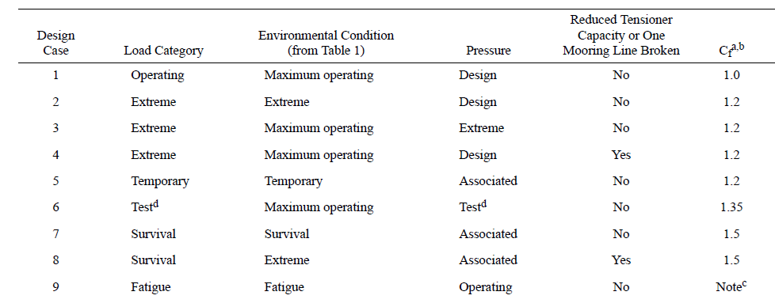
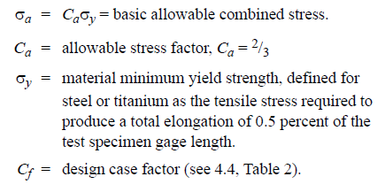

Cf |  | 1.5 |  | Considering Survival load category

 |  |  | 3.68E+08

 |  |  | 5.52E+08 |  | R.H.S of Equation(5)

 |  |  | 79.999857515 | Ksi

Limits
 | Solve For? | Internal Pressure |  |  | Tension |  |  | Moment |  |  | External Pressure
 |  |  |  |  |  | Tensile Yield Strength
 | Units
Geometry
pipeNominalOD | m | 0.24765 | 0.24765
pipeNominalWT | m | 0.034925 | 0.034925
pipeMinimumWT | m | 0.034925 | 0.034925
pipeNominalID |  | 0.1778 | 0.1778

Material Properties
Yield Strength | ksi | 80
 | Pa | 551580583.45

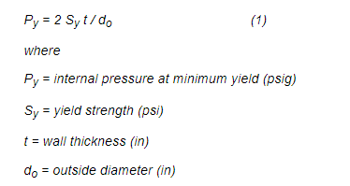
pipeA | m^2 | 0.023340213256
pipeAi | m^2 | 0.024828666476
pipeAo | m^2 | 0.048168879732
pipeI | m^4 | 0.00013558236884

Loading
pipeExternalPressure |  | 0 |  |  | 0 |  |  | 0 |  |  | 0
pipeInternalPressure | Ksi | 2.26E+01 |  |  | 0 |  |  | 0 |  |  | 0
pipeTensionEffective | N | 0 |  |  | ? |  |  | ? |  |  | ?
pipeMoment |  | 0 |  |  | 0 | 0 |  | 0 | 0 |  | 0 | 0

PipeTrueTension |  | 5.60E-01

Cf |  | 1.5 | 1.2 | 1 | 1.5 | 1.2 | 1 | 1.5 | 1.2 | 1 | 1.5 | 1.2 | 1

 |  | -Pi *Di/(Do+Di)

 |  | -9.4297742059 |  |  | 0 |  |  | 0

 |  | -Pi *(Do/(2t) - 1)

 |  |  |  |  | 0 |  |  | 0
 |  | 5.74E+01

 |  |  |  |  | T/A |  |  | M/(2I)*(Do-t)
 |  | 2.40E+01 |  |  | 2.40E+01 |  |  | 0

 |  | 6.71E+03

 | Ksi | 57.907370283

Ca |  | 0.667 | 0.8 | 1

 | Ksi | 53.333333333

 | Ksi | 80 | 64 | 53.333333333

 |  | Sovle for Pi hgere

